Sheet1
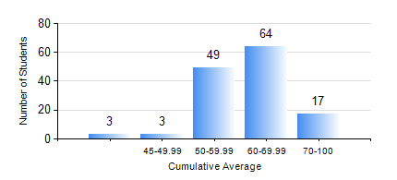
 |  |  | KWAME NKRUMAH UNIVERSITY OF SCIENCE AND TECHNOLOGY, KUMASI Department of Chemical Engineering

 |  |  | BSC. CHEMICAL ENG.

 |  |  | COMPREHENSIVE RECORD OF EXAMINATION RESULTS

 |  |  | RESULTS OF YEAR 2 SECOND SEMESTER, 2020/2021 ACADEMIC YEAR

 | Sn | Course Code |  | Course Name | Credit Hours | Min. Mark | Max. Mark | Avg. Mark | Std. Dev. | No. Passed | No. Trailed | No. (Df) | No. (I) | No. (I*) | No. Tagged(I,I*,Df) | Total
 | 0. |  |  |  |  |  |  | 0 | 0 | 0 | 0 | 0 | 0 | 0 | 0 | 17
 | 1. | CHE 250 |  | STRENGTH OF MATERIALS FOR CHEMICAL ENGINEERS | 2 | 30 | 83 | 60 | 12.5 | 117 | 2 | 0 | 0 | 0 | 0 | 119
 | 2. | CHE 252 |  | CHEMICAL PROCESS CALCULATIONS II | 2 | 23 | 81 | 53 | 11.25 | 107 | 12 | 0 | 0 | 0 | 0 | 119
 | 3. | CHE 254 |  | CHEMICAL ENGINEERING THERMODYNAMICS II | 2 | 37 | 96 | 60 | 12.72 | 118 | 1 | 0 | 0 | 0 | 0 | 119
 | 4. | CHE 256 |  | HEAT TRANSPORT PROCESSES | 3 | 21 | 92 | 61 | 16.37 | 106 | 12 | 0 | 1 | 0 | 1 | 119
 | 5. | CHE 258 |  | DRAWING FOR ENGINEERS | 2 | 41 | 71 | 56 | 5.44 | 119 | 0 | 0 | 0 | 0 | 0 | 119
 | 6. | CHEM 280 |  | PRACTICAL CHEMISTRY II | 3 | 24 | 79 | 66 | 9.38 | 114 | 5 | 0 | 0 | 0 | 0 | 119
 | 7. | MATH 252 |  | CALCULUS OF SEVERAL VARIABLES | 4 | 19 | 89 | 62 | 9.92 | 118 | 1 | 0 | 0 | 0 | 0 | 119

